ART
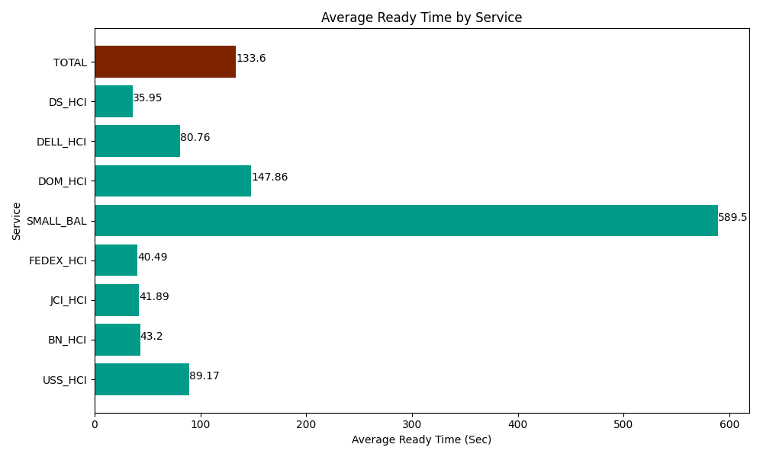
Date | Service | Successful Op Transfer | In Call (Sec) | Ready (Sec) | Wrapup (Sec) | Not Ready (Sec) | Average Ready Time (Sec)
04-16-2024 | USS_HCI | 18 | 3502.8000641 | 1605 | 2607.0000458 | 2104.8001099 | 89.17
04-16-2024 | BN_HCI | 828 | 44203.198242 | 35769.001465 | 92805 | 43434.001465 | 43.2
04-16-2024 | JCI_HCI | 234 | 21120 | 9802.199707 | 28897.199707 | 4327.7998352 | 41.89
04-16-2024 | FEDEX_HCI | 25 | 2752.8000641 | 1012.2000504 | 1411.8000412 | 2110.1998901 | 40.49
04-16-2024 | SMALL_BAL | 2 | 56.999999285 | 1178.9999771 | 81.000001431 | 394.79999542 | 589.5
04-16-2024 | DOM_HCI | 16 | 858.00001144 | 2365.8000183 | 787.19999313 | 64.800002575 | 147.86
04-16-2024 | DELL_HCI | 55 | 4315.8000183 | 4441.7999268 | 10451.999817 | 5605.8000183 | 80.76
04-16-2024 | DS_HCI | 545 | 23466.000366 | 19592.999268 | 54418.198242 | 69541.801758 | 35.95
 | TOTAL | 1723 | 100275.59877 | 75768.000412 | 191459.39785 | 127584.00307 | 133.6

